Provincial CDD Signs
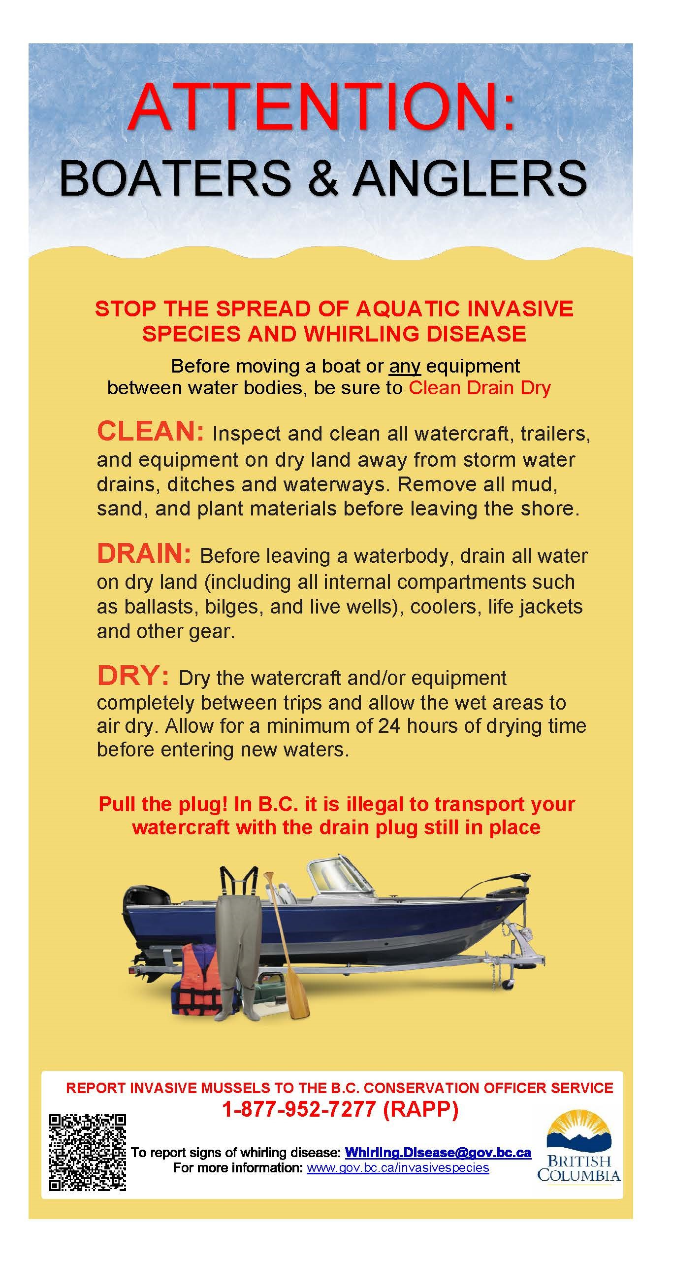
Sign location (general) | latitude | longitude | New Clean, Drain, Dry sign installed? (Y/N) | Date installed | Comments | Contact person
East Barriere Lake Boat Launch | 51.25449 | 119.85727 | No |  | Needs a sign | Martina
North Barriere Lake Rec Site | 51.3426 | 119.82695 | No |  | Needs a sign | Martina
Columbia / Kicking Horse Rivers confluence in Golden |  |  | No |  | Needs a sign | Martina
Blue Water Creel Rec Site |  |  | No |  | Needs a sign | Martina
Waitabit Creek Rec site |  |  | No |  | Needs a sign | Martina
Parson Boat Launch in Columbia-Shuswap |  |  | No |  | Needs a sign | Martina
O.B. Campground on Blaeberry River |  |  | No |  | Needs a sign | Martina
Nicholson boat launch on Columbia river |  |  | No |  | Needs a sign | Martina
Kamloops Lake (Savona) | 50.754143°N | 120.844261°W | Yes | 2024-07-19 | at boat launch | Andrew Klassen
Kamloops Lake (Tobiano) | 50.739327°N | 120.693823°W | No | n/a | sign at location | Andrew Klassen
Stump Lake (Rec Site) | 50.351785°N | 120.372737°W | Yes | 2024-08-13 | at boat launch | Andrew Klassen
Stump Lake (HWY launch) | 50.362577°N | 120.382079°W | Yes | 2024-08-09 |  | Andrew Klassen
McArthur Island | 50.692935°N | 120.370976°W | Yes | 2024-07-08 | at boat launch | Andrew Klassen
Valleyview River launch | 50.677772°N | 120.251415°W | Yes | 2024-07-08 |  | Andrew Klassen
Pioneer Park Launch | 50.679619°N | 120.321460°W | Yes | 2024-07-08 |  | Andrew Klassen
Roche x 2 |  |  |  |  | parks staff will install as opportunity, resources permit - Details recorded as confirmation is provided. | Andrew Klassen
Tunkwa |  |  |  |  | parks staff will install as opportunity, resources permit | Andrew Klassen
Leighton |  |  |  |  | parks staff will install as opportunity, resources permit | Andrew Klassen
Herold Park |  |  |  |  | parks staff will install as opportunity, resources permit | Andrew Klassen
Shuswap Lake Park |  |  |  |  | parks staff will install as opportunity, resources permit | Andrew Klassen
Adams River Park |  |  |  |  | parks staff will install as opportunity, resources permit | Andrew Klassen
White Lake |  |  |  |  | parks staff will install as opportunity, resources permit | Andrew Klassen

